Propain Terrel CF 2024
brand | Propain
model | Terrel CF
model year | 2024
input date | 13-Jul-25
URL | https://www.propain-bikes.com/us/product/bikes/gravel/terrel-cf/
material | carbon
frame weight
UDH | yes
measure range | a10:g33
frame_size | Frame Size | SIZE XS | SIZE S | SIZE M | SIZE L | SIZE XL |  | Frame Size | SIZE XS | SIZE S | SIZE M | SIZE L | SIZE XL
seat_tube_length | Frame height (A) | 470 | 510 | 525 | 545 | 570 |  | Frame height (A) | 470 mm | 510 mm | 525 mm | 545 mm | 570 mm
fork_offset_rake | Fork offset (B) | 45 | 45 | 45 | 45 | 45 |  | Fork offset (B) | 45 mm | 45 mm | 45 mm | 45 mm | 45 mm
axle_crown | Fork length (C) | 425 | 425 | 425 | 425 | 425 |  | Fork length (C) | 425 mm | 425 mm | 425 mm | 425 mm | 425 mm
head_tube_length | Head tube length (D) | 98 | 116 | 130 | 154 | 177 |  | Head tube length (D) | 98 mm | 116 mm | 130 mm | 154 mm | 177 mm
reach | Reach (E) | 382 | 396 | 405 | 412 | 430 |  | Reach (E) | 382 mm | 396 mm | 405 mm | 412 mm | 430 mm
stack | Stack (F) | 554 | 568 | 583 | 608 | 632 |  | Stack (F) | 554 mm | 568 mm | 583 mm | 608 mm | 632 mm
head_tube_angle | Head angle (G) | 69.5 | 70 | 70.5 | 71 | 71.5 |  | Head angle (G) | 69.5° | 70° | 70.5° | 71° | 71.5°
seat_tube_angle | Seat angle (H) | 74.3 | 73.5 | 73.5 | 73.5 | 73.5 |  | Seat angle (H) | 74.3° | 73.5° | 73.5° | 73.5° | 73.5°
top_tube_effective_length | Top tube length (I) | 538 | 564 | 578 | 592 | 617 |  | Top tube length (I) | 538 mm | 564 mm | 578 mm | 592 mm | 617 mm
bottom_bracket_drop | BB offset (J) | 77 | 72 | 72 | 72 | 72 |  | BB offset (J) | 77 mm | 72 mm | 72 mm | 72 mm | 72 mm
bb_height | BB height (K) | 287 | 292 | 292 | 292 | 292 |  | BB height (K) | 287 mm | 292 mm | 292 mm | 292 mm | 292 mm
chainstay_length | Chainstay length (L) | 435 | 435 | 435 | 435 | 435 |  | Chainstay length (L) | 435 mm | 435 mm | 435 mm | 435 mm | 435 mm
wheelbase | Wheelbase (M) | 1037 | 1053 | 1062 | 1073 | 1094 |  | Wheelbase (M) | 1,037 mm | 1,053 mm | 1,062 mm | 1,073 mm | 1,094 mm
standover | Standover height (N)* | 787 | 803 | 820 | 843 | 862 |  | Standover height (N)* | 787 mm | 803 mm | 820 mm | 843 mm | 862 mm
chainstay_length_2 | cs^2 = rc^2 + bb^2 | 441.76237957 | 440.91835979 | 440.91835979 | 440.91835979 | 440.91835979
handlebar_width |  | 420 | 420 | 440 | 440 | 460
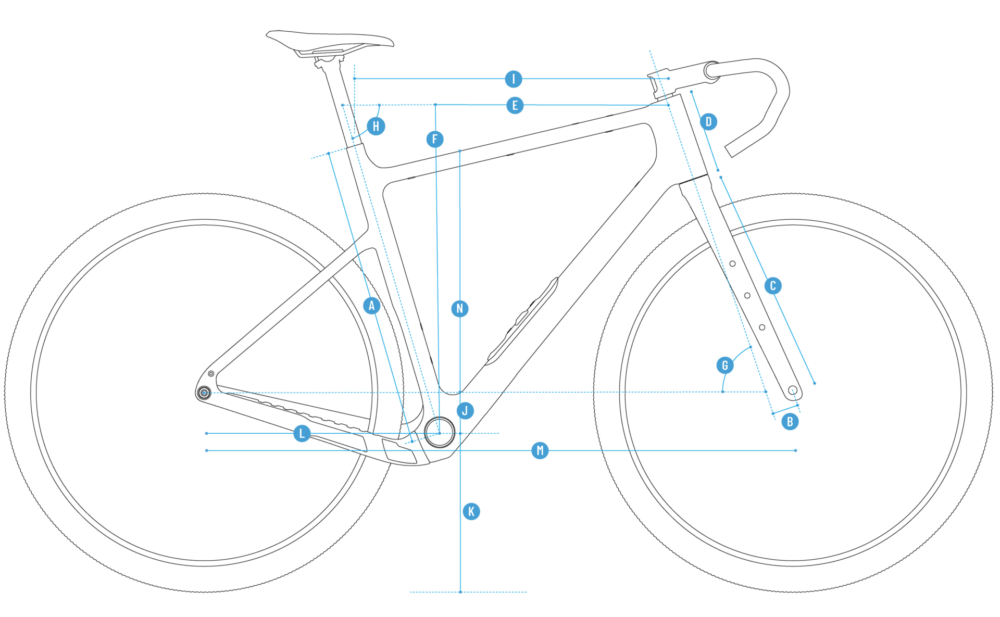
stem_length |  | 70 | 80 | 80 | 90 | 100 | have to "buy" each of these to get these data
crank_length
wheel_size |  | 700 | 700 | 700 | 700 | 700
tire_width_spec |  | 50 | 50 | 50 | 50 | 50
tire_width_max |  | 50 | 50 | 50 | 50 | 50
rider_min |  | 160 | 169 | 176.5 | 184 | 191.5
rider_max |  | 169 | 176.5 | 184 | 191.5 | 200
 |  | 160 | 168 | 175 | 183 | 190
 |  | 170 | 178 | 185 | 193 | 200
XS: 160-170 cm / S: 168-178 cm / M: 175-185 cm / L: 183-193 cm / XL: 190-200 cm

